Sheet1
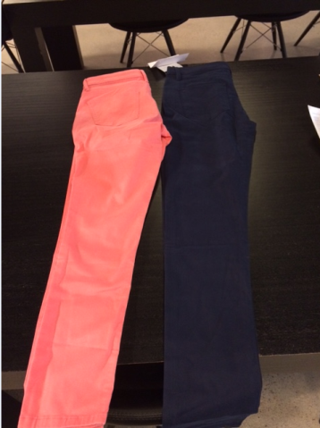
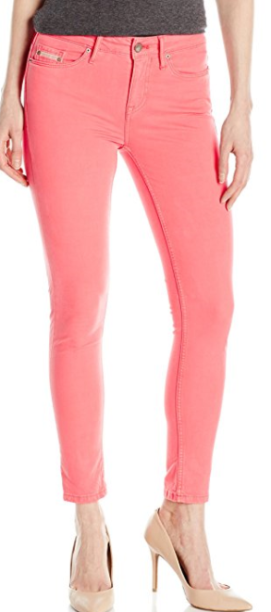

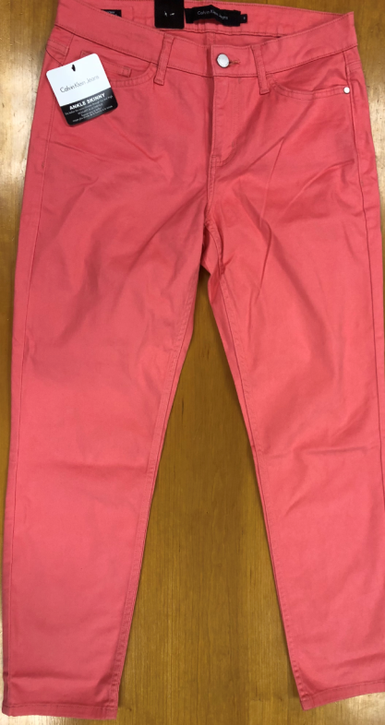
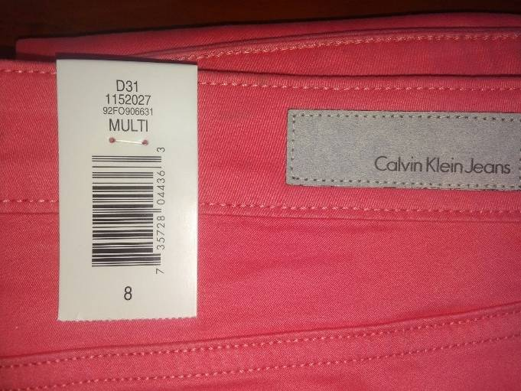
92SO35A
Calvin Klein Jeans Women's Sateen Ankle Skinny Pant

SIZE | msrp | BLACK | NAVY | POISE | TTL
4 | $89.00 | 770 | 560 | 350 | 1,680
6 | $89.00 | 891 | 648 | 405 | 1,944
8 | $89.00 | 1,155 | 840 | 525 | 2,520
10 | $89.00 | 1,122 | 816 | 510 | 2,448
12 | $89.00 | 847 | 616 | 385 | 1,848
14 | $89.00 | 759 | 552 | 345 | 1,656
16 | $89.00 | 583 | 424 | 265 | 1,272
TOTAL BY COLOUR |  | 6,127 | 4,456 | 2,785 | 13,368

